Sheet1
 |  |  | Maryland Department of Transportation
 |  |  | Bikeways Program Reimbursement Request

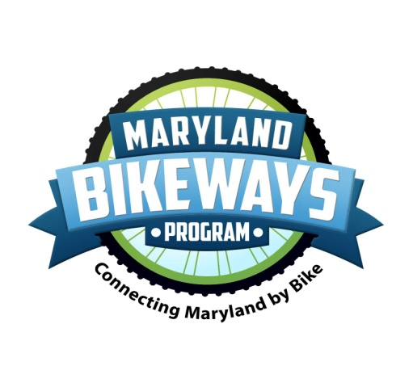 |  |  | ATTN: Dawn Thomason Maryland Department of Transportation Office of Planning and Capital Programming 7201 Corporate Center Drive Hanover, Maryland 21076
 |  |  | updated June 2017

Project Name:
Make Payment to: |  | ______________________________________________________________________
Federal ID Number: |  | ____________________

I certify that the statement and information on this reimbursement request are accurate and true. I also certify that reimbursements are claimed for only eligible expenses. I certify that these expenses have not been and will not be reimbursed under this or any other grant or contract.
Project Manager |  |  |  |  | Financial Director
Signature: |  |  |  |  | Signature:
Print Name: |  |  |  |  | Print Name:
Organization: |  |  |  |  | Organization:
Date: |  |  |  |  | Date:

Instructions
Fill in the gray shaded cells in Sections A thorugh F of this form. Do not fill in the orange shaded cells. The orange shaded cells will be calculated automatically based on your inputs. Additional lines may be added to the spreadsheet, if needed. Attach supplemental documentation (salary certification, invoices, receipts, etc.) as described in the Bikeways Project Management Guidelines. Documentation should be collated in the order listed on this form, with all costs to be reimbursed by MDOT highlighted or otherwise identified. Original documentation of expenditures must be kept on file and available for inspection by state and federal officials with two (2) days notice. Documentation of matching funds’ expenditures must be kept on file and available for inspection.

Total Reimbursement Request

 |  | A. Contractual Services Subtotal |  |  | $0.00
 |  | B. Materials and Equipment Subtotal |  |  | $0.00
 |  | C. Travel Subtotal |  |  | $0.00
 |  | D. Other Subtotal |  |  | $0.00
 |  |  |  | Total Reimbursement Request | $0.00

 |  |  |  | E. Matching Expenditure - Salary/Benefits | $0.00
 |  |  |  | E. Matching Expenditure - Other | $0.00
 |  | Total Matching Expenditure |  |  | $0.00

FOR MDOT USE ONLY - DO NOT WRITE BELOW THIS LINE
Project #: |  |  |  | Date Received:
Amount of Grant Award = |  |  |  |  |  |  | Amount Reimbursable =
(-) previous Grant Funds Released =
Equals Available = |  |  |  |  |  |  | Grant Funds Remaining =

Itemized Reimbursement Request (to be completed by grantee)

A. Contractual Services
Contractor Name |  |  | Invoice Date | Billing Period | Date Paid by Grantee |  | Total Invoice Amount |  | Reimbursable Amount

Description of Services Provided:

Contractor Name |  |  | Invoice Date | Billing Period | Date Paid by Grantee |  | Total Invoice Amount |  | Reimbursable Amount

Description of Services Provided:

Contractor Name |  |  | Invoice Date | Billing Period | Date Paid by Grantee |  | Total Invoice Amount |  | Reimbursable Amount

Description of Services Provided:

B. Materials and Equipment
Vendor Name |  |  |  | Invoice Date | Date Paid by Grantee |  | Total Invoice Amount |  | Reimbursable Amount

Description of Materials/Equipment:

Vendor Name |  |  |  | Invoice Date | Date Paid by Grantee |  | Total Invoice Amount |  | Reimbursable Amount

Description of Materials/Equipment:

Vendor Name |  |  |  | Invoice Date | Date Paid by Grantee |  | Total Invoice Amount |  | Reimbursable Amount

Description of Materials/Equipment:

C. Travel
Date | Employee Name |  | From | To | Mileage | Rate/Mi | Parking | Other (tolls, transit, etc.) |  | Total Reimbursement
 |  |  |  |  |  | 0.575
 |  |  |  |  |  | 0.575
 |  |  |  |  |  | 0.575
 |  |  |  |  |  | 0.575
 |  |  |  |  |  | 0.575

D. Other
Date | Product/Service Description |  |  |  | Total Cost |  | Reimbursement Requested |  | Supporting Documentation

E. Matching Expenditures
Indicate the matching funds expended. Matching funds may include both project sponsor contributions and third party contributions. Total matching expenditures listed should be equal to the match committed in the Bikeways Project Application.
Matching Expenditures - Salaries and Benefits
Employee name |  | Title |  | Date | Hours | Description of Activities

 |  |  |  | Total Hours | 0 | x | Hourly Rate |  | = | 0

Employee name |  | Title |  | Date | Hours | Description of Activities

 |  |  |  | Total Hours | 0 | x | Hourly Rate |  | = | 0

Employee name |  | Title |  | Date | Hours | Description of Activities

 |  |  |  | Total Hours | 0 | x | Hourly Rate |  | = | 0
Matching Expenditures - Other
Date | Product/Service Description |  |  |  | Rate (if applicable) |  | Total Cost |  | Supporting Documentation

